Comp Benchmarking Tool
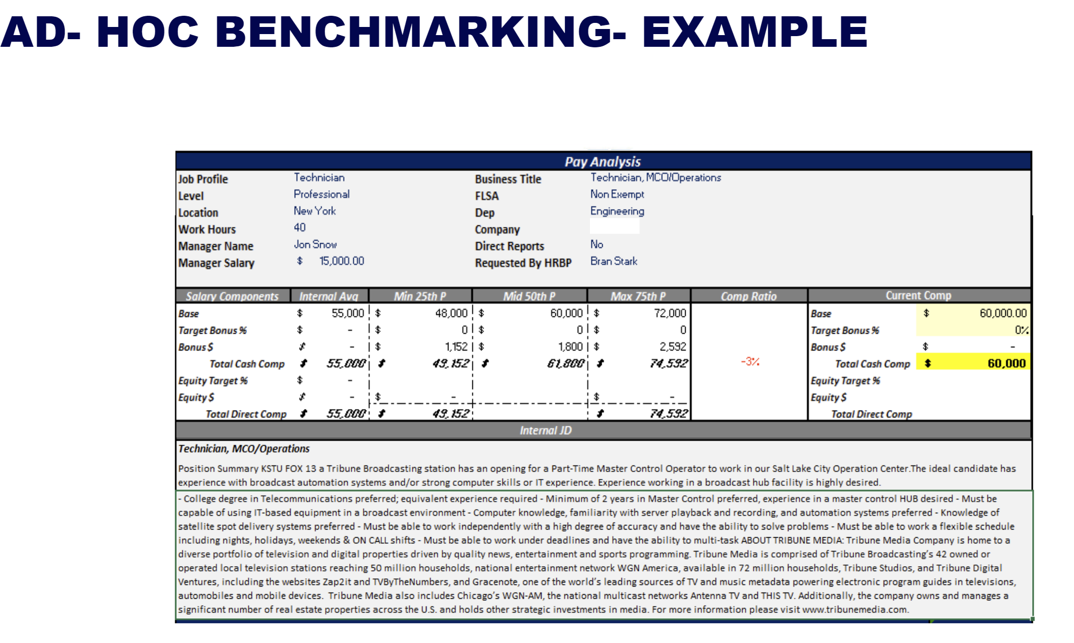
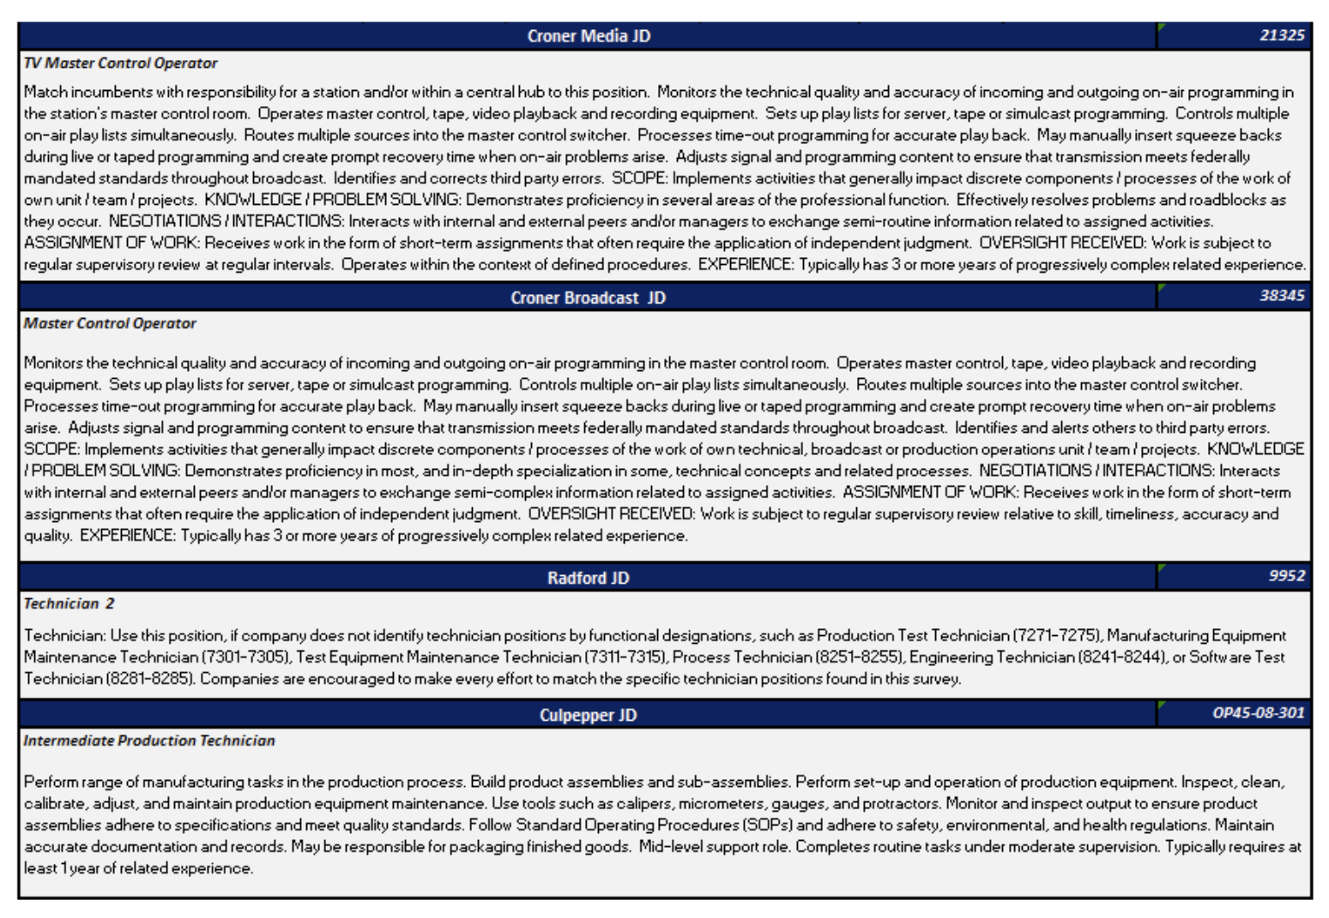
Comp Benchmarking Tool: Comp Internal Peer Analysis vs Market Data (with internal vs external job descriptions comparison)
This sheet is locked due to copy right restrictions. Contact Karey if you'd would like her to create an analogous solution to automate your manual work today

